TC_AlzaPower_API_Call
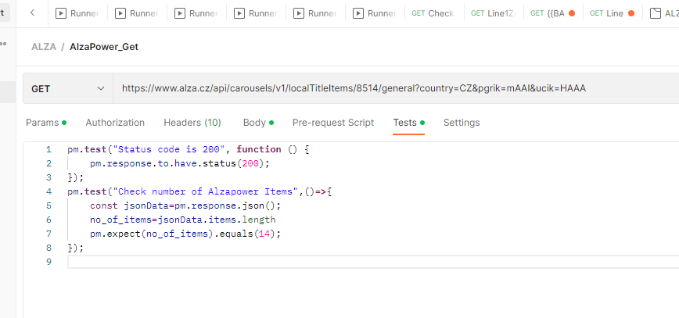
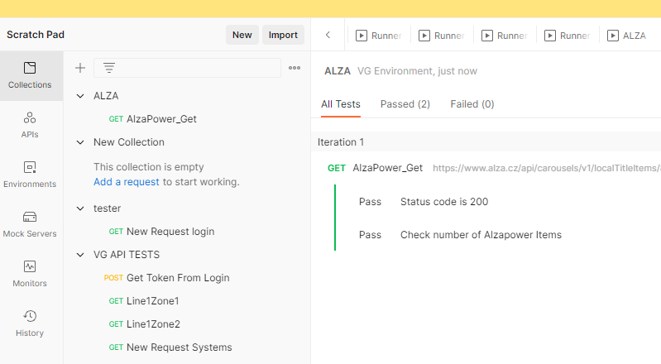
TestCase Name | Description | Step | Result | Testdata | Labels | comments
Alzapower Brand Api call to Validate number of items displayed in 'Our brands' page | Call an alza API using postman for 'AlzaPower' Brand under 'Our brands'. The expected value for number of items displayed is 14 | Install and open Postman application in PC | The postman is installed in the PC | Download postman from https://www.postman.com/downloads/ and install in your PC | Alza_Automation, Alza_Api
 |  | Set a new collection a ALZA and create a new GET request under it | The collection is created. A new Get request is added under the collection as 'AlzaPower_Get' | Press the + button next to collections, and name the collection 'ALZA'. Right click on ALZA collection and click 'Add request'. Name the request as 'AlzaPower_Get'
 |  | Set the Get request as 'https://www.alza.cz/api/carousels/v1/localTitleItems/8514/general?country=CZ&pgrik=mAAI&ucik=HAAA" and set the test script as pm.test("Status code is 200", function () { pm.response.to.have.status(200); }); pm.test("Check number of Alzapower Items",()=>{ const jsonData=pm.response.json(); no_of_items=jsonData.items.length pm.expect(no_of_items).equals(14); }); | The get request is set with the test request | Set specific get request in 'AlzaPower_Get' with test script
 |  | RUN test under ALZA Collection | RUN ORDER of tests are shown | Click on ALZA collection and press RUN icon
 |  | Click on Run ALZA button | The tests run with list of passed test for counting number of AlzaPower items, ie 14 | A blue button is seen with text 'Run ALZA'

